Entropy & Gain
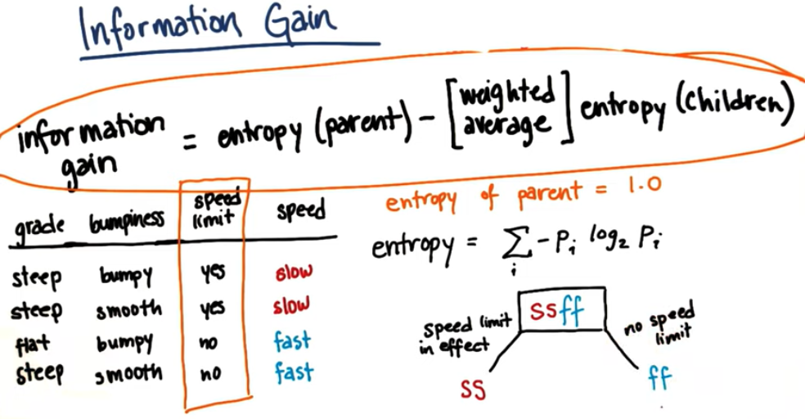

 | grade - steep |  |  | grade - flat
 | # elements | probability | entropy | # elements | probability | entropy
slow | 2 | 0.6667 | 0.3900 | 0 | 0.0000 | 0.0000
fast | 1 | 0.3333 | 0.5283 | 1 | 1.0000 | 0.0000
branch | 3 | 0.7500 | 0.6887 | 1 | 0.2500 | 0.0000
info. gain | 0.3113

 | bumpiness - bumpy |  |  | bumpiness - smooth
 | # elements | probability | entropy | # elements | probability | entropy
slow | 1 | 0.5000 | 0.5000 | 1 | 0.5000 | 0.5000
fast | 1 | 0.5000 | 0.5000 | 1 | 0.5000 | 0.5000
branch | 2 | 0.5000 | 0.5000 | 2 | 0.5000 | 0.5000
info. gain | 0.0000

 | speed limit - yes |  |  | speed limit - no
 | # elements | probability | entropy | # elements | probability | entropy
slow | 2 | 1.0000 | 0.0000 | 0 | 0.0000 | 0.0000
fast | 0 | 0.0000 | 0.0000 | 2 | 1.0000 | 0.0000
branch | 2 | 0.5000 | 0.0000 | 2 | 0.5000 | 0.0000
info. gain | 1.0000

